TEDB Edition 40
Micromobility sharing services (bikes and scooters) have expanded rapidly in cities across the United States. The number of shared bike trips in the 100 largest U.S. cities has been estimated by the National Association of City Transportation Officials (NACTO). The number of bike trips increased from 321 thousand in 2010 to 40 million in 2019, with another 10 million electronic e-bike trips in addition. Shared scooter trips were added to the NACTO study in 2018. There were 86 million scooter trips in 2019 representing 63% of the 136 million shared micromobility trips taken.

Figure 7.5. Shared Micromobility Trips, 2010–2019

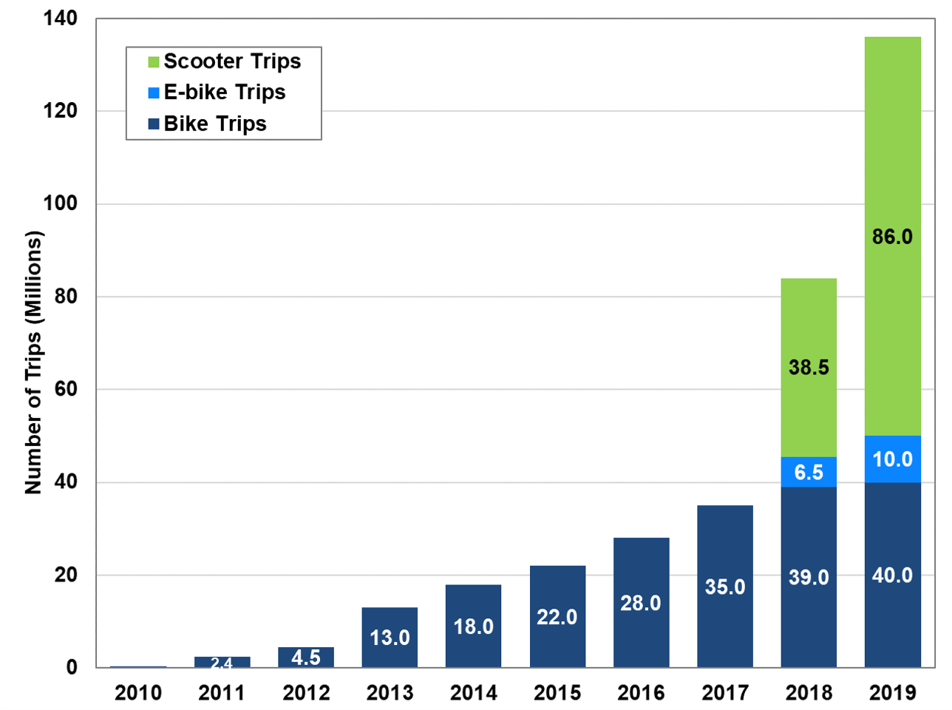

(Millions of Trips)
Year | Bike Trips | E-bike Trips | Scooter Trips
2010 | 0.3 | Not available | Not available
2011 | 2.4 | Not available | Not available
2012 | 4.5 | Not available | Not available
2013 | 13.0 | Not available | Not available
2014 | 18.0 | Not available | Not available
2015 | 22.0 | Not available | Not available
2016 | 28.0 | Not available | Not available
2017 | 35.0 | Not available | Not available
2018 | 39.0 | 6.5 | 38.5
2019 | 40.0 | 10.0 | 86

Notes: Includes systems with over 150 bikes or scooters and only includes data reported by 105 large cities. Does not include private or closed campus systems like those operating on university campuses. For more detail, see the full report.

Source:
National Association of City Transportation Officials (NACTO), Shared Micromobility in the U.S.: 2019, 2020. (Additional information: nacto.org/shared-micromobility-2019)

